Sheet1
 |  |  |  |  |  |  |  |  |  |  |  |  |  |  |  |  |  |  |  |  | geographical
Row Labels | Sum of Income | Sum of Counts | Sum of Counts2 | Column1 | x | y | amount | max | no max2 | counts | counts percentage |  | income | target | Row Labels | Sum of Income | Sum of Income2 | aversage
Advertising | 117536 | 2844 | 2.43% | Advertising | 1 | 3 | 117,536.00 |  | 117536 | 2844 | 2.43% |  | 80% | 20% | Jan | 64,934.00 | 64934 | 60,073
Asset sale | 77421 | 26 | 0.02% | Asset sale | 7 | 2 | 77,421.00 |  | 77421 | 26 | 0.02% |  |  |  | Feb | 58,642.00 | 58642 |  | Row Labels | Sum of Operating Profit | Row Labels | Sum of Amount | Sum of Amount2 |  |  | Sum of Amount | Sum of Target | remaining | actual
Licensing | 157385 | 72768 | 62.10% | Licensing | 4 | 1 | 157,385.00 |  | 157385 | 72768 | 62.10% |  |  |  | Mar | 57,631.00 | 57631 |  | Jan | 12988 | Brazil | 71992 | 8.70% |  |  | 827044 | 1107220.24 | 25% | 75%
Renting | 61203 | 16488 | 14.07% | Renting | 2 | 8 | 61,203.00 |  | 61203 | 16488 | 14.07% |  |  |  | Apr | 58,951.00 | 58951 |  | Feb | 11729 | Canada | 73912 | 8.94%
Subscription | 130234 | 13188 | 11.26% | Subscription | 6 | 6 | 130,234.00 |  | 130234 | 13188 | 11.26% |  |  |  | May | 60,546.00 | 60546 |  | Mar | 11527 | Egypt | 204528 | 24.73%
Usage fees | 177100 | 11856 | 10.12% | Usage fees | 5 | 9 | 177,100.00 | 177100 |  | 11856 | 10.12% |  |  |  | Jun | 55,608.00 | 55608 |  | Apr | 11791 | Russia | 219404 | 26.53%
Grand Total | 720879 | 117170 | 100.00% |  |  |  |  |  |  |  |  |  |  |  | Jul | 57,631.00 | 57631 |  | May | 12109 | United Kingdom | 129304 | 15.63%
 |  |  |  |  |  |  |  |  |  |  |  |  |  |  | Aug | 60,977.00 | 60977 |  | Jun | 11122 | USA | 127904 | 15.47%
 |  |  |  |  |  |  |  |  |  |  |  |  |  |  | Sep | 59,906.00 | 59906 |  | Jul | 11527 | Grand Total | 827044 | 100.00%
 |  |  |  |  |  |  |  |  |  |  |  |  |  |  | Oct | 66,177.00 | 66177 |  | Aug | 12193
 |  |  |  |  |  |  |  |  |  |  | Sum of Income | Sum of Target Income |  |  | Nov | 62,245.00 | 62245 |  | Sep | 11981 | Total | ₹ 827,044.00
 |  |  |  |  |  |  |  |  |  |  | 720,879 | ₹ 898,932 |  |  | Dec | 57,631.00 | 57631 |  | Oct | 13235
 |  |  |  |  |  |  |  |  |  |  |  |  |  |  | Grand Total | 720,879.00 | 720879 |  | Nov | 12450
 |  |  |  |  |  |  |  |  |  |  |  |  |  |  |  |  |  |  | Dec | 11527 | Brazil | 9%
 |  |  |  |  |  |  |  |  |  |  |  |  |  |  |  |  |  |  | Grand Total | 144179 | Canada | 9%
 |  |  |  |  |  |  |  |  |  |  |  |  |  |  |  |  |  |  |  |  | Egypt | 25%
 |  |  |  |  |  |  |  |  |  |  |  |  |  |  |  |  |  |  |  |  | Russia | 27%
 |  |  |  |  |  |  |  |  |  |  |  |  |  |  |  |  |  |  | Total | 144,179 | United Kingdom | 16%
 |  |  |  |  |  |  |  |  |  |  |  |  |  |  |  |  |  |  |  |  | USA | 15%

 |  |  |  |  |  |  |  |  |  |  |  |  |  |  |  |  |  |  |  |  |  | highest |  | non highest
 |  |  |  |  |  |  |  |  |  |  |  |  |  |  |  |  |  |  |  |  | Brazil |  |  | · | ·
 |  |  |  |  |  |  |  |  |  |  |  |  |  |  |  |  |  |  |  |  | Canada |  |  | · | ·
 |  |  |  |  |  |  |  |  |  |  |  |  |  |  |  |  |  |  |  |  | Egypt |  |  | · | ·
 |  |  |  |  |  |  |  |  |  |  |  |  |  |  |  |  |  |  |  |  | Russia | · | ·
 |  |  |  |  |  |  |  |  |  |  |  |  |  |  |  |  |  |  |  |  | United Kingdom |  |  | · | ·
 |  |  |  |  |  |  |  |  |  |  |  |  |  |  |  |  |  |  |  |  | USA |  |  | · | ·

 |  |  |  |  |  |  |  |  |  |  |  |  |  |  |  |  |  |  |  |  | ·

income
Other Levels
My Linkedin
Income Sources
Geographical
Sales Process
Project Status

 | Income Sources | max
1 | 3 | 3
7 | 2 | 2
4 | 1 | 1
2 | 8 | 8
6 | 6 | 6
5 | 9 | 9
Average
Monthly Income
60,073
₹
Income Sources
 |  | ₹

Renting
Grand Total of the income, and their breakdowns showing the achievements percentageand highlight for most valuable sources, Marketing strategies and operating Profit.

Usage Fees
 | Doughnut | percentage
 | 1 | 80%
 | 1 | 20%
 | 1
 | 1
 | 1
 | 1
 | 1
 | 1
 | 1
 | 1
 | 1
 | 1
 | 1
 | 1
 | 1
 | 1
 | 1
 | 1
 | 1
 | 1
 | 1
 | 1
 | 1
 | 1
 | 1
 | 1
 | 1
 | 1
 | 1
 | 1
 | 1
 | 1
 | 1
 | 1
 | 1
 | 1
 | 1
 | 1
 | 1
 | 1
 | 1
 | 1
 | 1
 | 1
 | 1
 | 1
 | 1
 | 1
 | 1
 | 1
...
 | €

 | Total
Jan | 12988
Feb | 11729
Mar | 11527
Apr | 11791
May | 12109
Jun | 11122
Jul | 11527
Aug | 12193
Sep | 11981
Oct | 13235
Nov | 12450
Dec | 11527
Operating
Profit

Financial Statistics
₹ 898,932
Income Target
720,879
80%

Subscription
Income Achieved
898932

 | Sum of Income | Sum of Income2
Jan | 64,934.00 | 64934
Feb | 58,642.00 | 58642
Mar | 57,631.00 | 57631
Apr | 58,951.00 | 58951
May | 60,546.00 | 60546
Jun | 55,608.00 | 55608
Jul | 57,631.00 | 57631
Aug | 60,977.00 | 60977
Sep | 59,906.00 | 59906
Oct | 66,177.00 | 66177
Nov | 62,245.00 | 62245
Dec | 57,631.00 | 57631
Advertisement
Licencing

Asset Sales
144,179
₹

Yearly Income

Geographical
Other Levels
My Linkedin
Income Sources
Geographical
Sales Process
Project Status
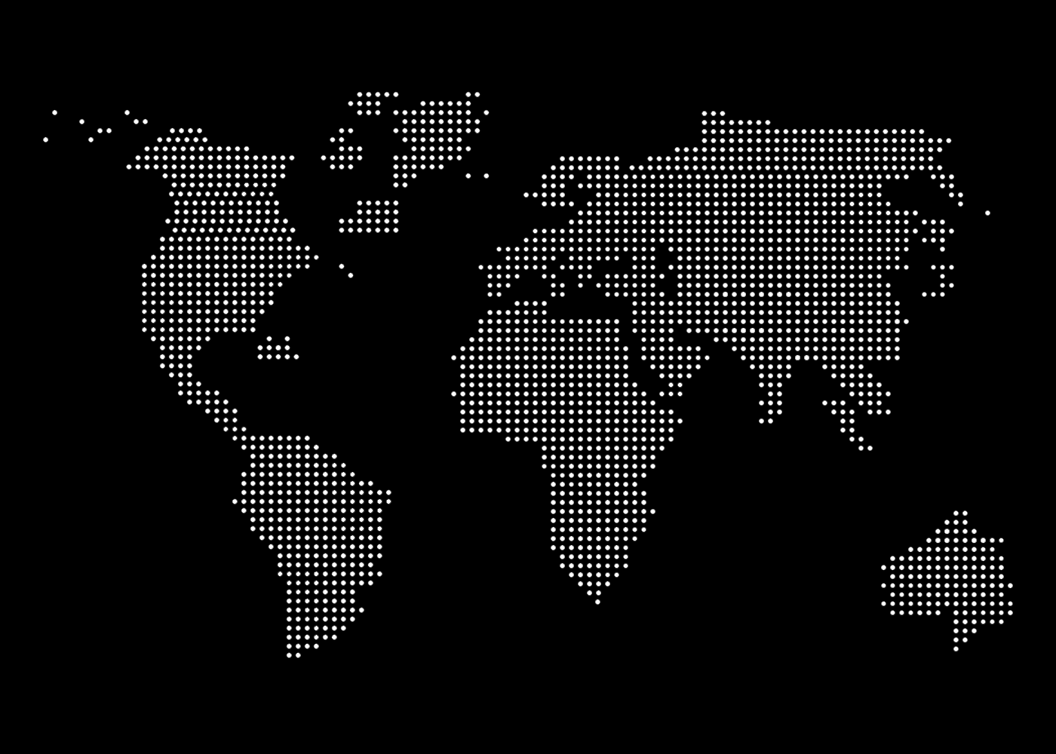

Financial Statistics

₹ 827,044.00
Income Target
720,879

UK
Russia
·
Canada
·
·
·
·
·
·
·
·
·
·
·
·
·
·
·
·
·
·
·
·
·
·
·
·
·
·
·
·
·
·
·
·
·
·
·
·
·
·
·
·
·
·
·
·
·
·
·
·
·
·
·
·
·
·
·
·
·
·
·
·
·
·
·
·
·
·
·
·

 | Brazil | Canada | Egypt | Russia | United Kingdom | USA
 | 9% | 9% | 25% | 27% | 16% | 15%

Brazil
71992
8.70%
Canada
73912
8.94%
Egypt
204528
24.73%
Russia
219404
26.53%
United Kingdom
129304
15.63%
USA
127904
15.47%
·
USA
·
·
·
·
·
·
·
·
·
·
·
Egypt
·
·
·
·
·
·
·
·
·
·
·
·
·
·
·
·
·
·
·
·
·
·
·
·
·
·
·
·
·
·
·
·
·
·
·
·
·
·
·

Brazil

·
·
·
·
·
·
·
·
·
·
·
remaining | 25%
actual | 75%
·
·
·
·
·
·
·

75%

Sales Percentage
Achieved

Sales process
Other Levels
My Linkedin
Income Sources
Geographical
Sales Process
Project Status

Project Status
Other Levels
My Linkedin
Income Sources
Geographical
Sales Process
Project Status

